Tabelle1
number of cycles | capacity 75-65 / Wh | capacity 75-25 / Wh | capacity 85-25 / Wh | energy over lifetime 75-65 / Wh | energy over lifetime 75-25 / Wh | energy over lifetime 85-25 / Wh | sum 75-65 / Wh | sum 75-25 / Wh | sum 85-25 / Wh
0 | 100 | 100 | 100 | 100000 | 100000 | 100000 | 479000 | 464000 | 456000
1000 | 97 | 93 | 93 | 97000 | 93000 | 93000
2000 | 95 | 92 | 90 | 95000 | 92000 | 90000
3000 | 94 | 90 | 87 | 94000 | 90000 | 87000
4000 | 93 | 89 | 86 | 93000 | 89000 | 86000

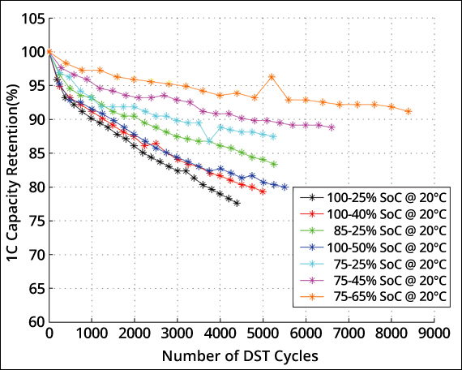
Summe der Energy die aus den Zellen geholt wird

Zoom

